test Cases
Project Name: | Half ebay Application
Module Name: |  | Date Update:2/08/22
Last Build Tested | NA | Reviewed By: Sneha Yerra
Run No: | 1 | Executed By:Guru Sravani Laxmi Sree Dharmala/Sneha Yerra
Run Date: |  | Execution Time:2day
Test Objective: | Verify EconomicTimes Functionalities
Test Setup: | Windows 2010, MSExcel 2019

ReqID | Test CaseID | Test Case Description | Test Steps | Test Data | Expected Result | Actual Result | Status
R_1.1 | TC_01 | Checking the Installation Process | 1. Go to Playstore 2. Click on Economic times app 3.Click on the install Button 4.The ET app will be installed |  | Successfully Installed | 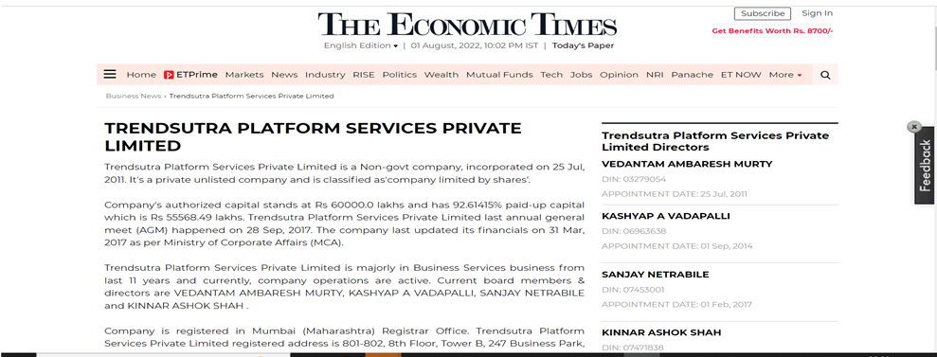 | Passed
R_1.2 | TC_02 | Usability Testing | 1. To check that amazon app is easy to use or not. 2.To check that the user is able to see all sections individually |  | User able to Check the app is Easy to Run or not |  | Passed
R_1.3 | TC_03 | Checking the signin Functionality | Go to chrome browser Enter url "https://economictimes.indiatimes.com/" in search Box 1.Click on Signin Button 2.User should to Enter the Password in Email or User name tab 3. Click on continue | Email: gsree9240@gmai.com | Use Should The Email is Correct Format or not | 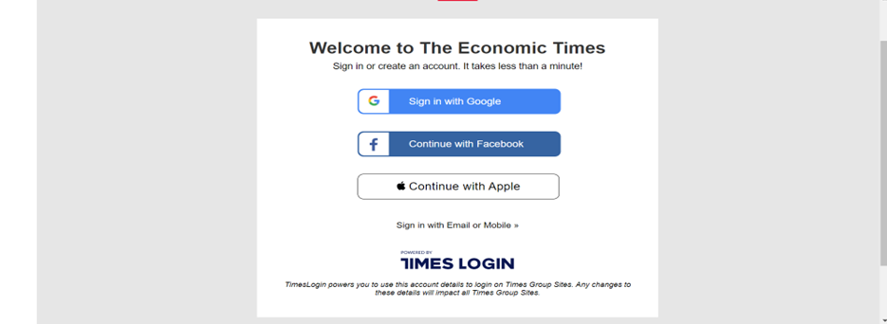 | Passed
R_1.3 | TC_03 | Checking the signin Functionality | Go to chrome browser Enter url "https://economictimes.indiatimes.com/" in search Box 1.Click on Signin Button 2.User should to Enter the Password in Email or User name tab 3. Click on Continue | Name: Sravani Password: ********** | if Email was Correct Then User will Enter Name and Password | 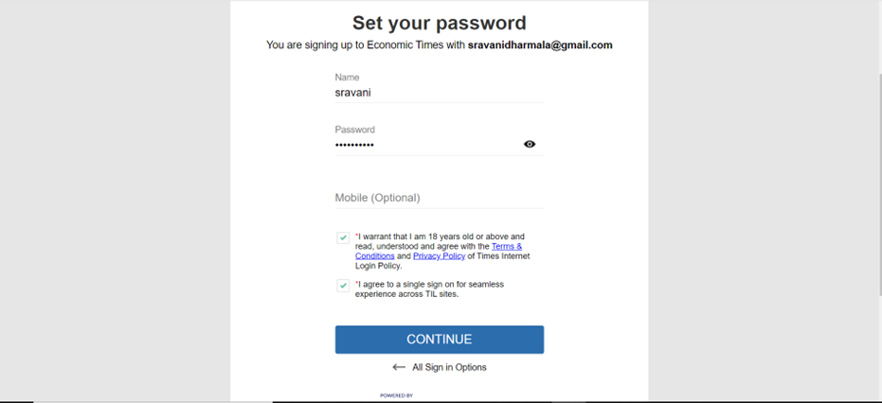 | Passed
R_1.4 | TC_04 | Check the Search Functionality | Go to chrome browser enter url https://economictimes.indiatimes.com/" in search Box 1.Click on Search Button 2.User should to Enter the product to be search 3. Click on continue | Search:Prostate Cancer | User Should Check the topic | 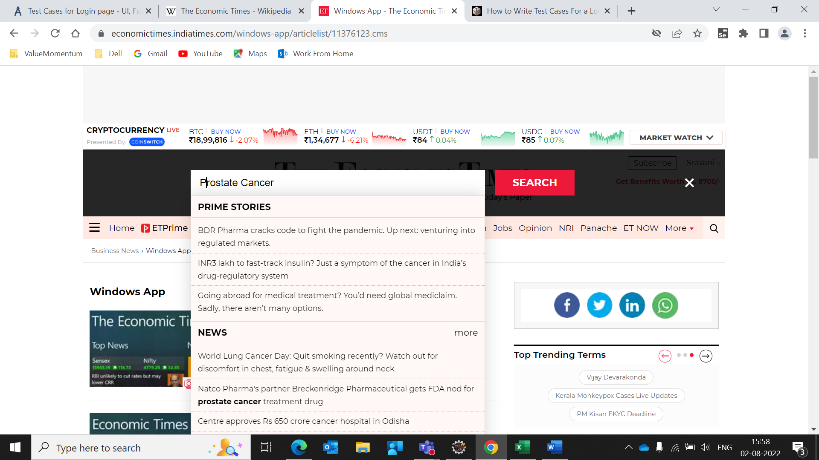 | Passed

